Daily Power Station Chart_14-01
Plant_19/07/2025Chart

Plant:odco1 |  |  | Installed Capacity:111.180kWp
Today Yield(kWh):582.200kWh |  | Today Earning:232880.000TND |  | Today Full Load Hours(h):5.24h

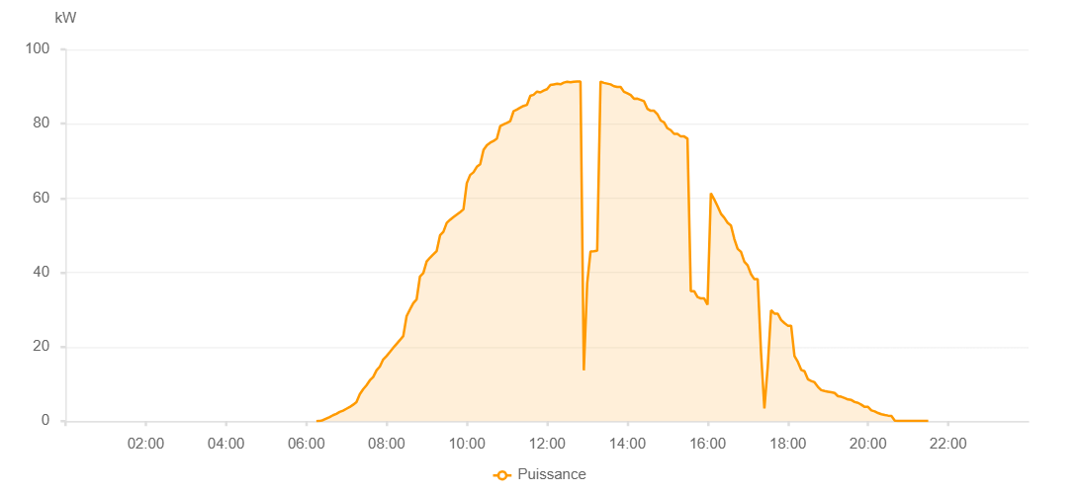

Number | Time | Working State | PV(W) | Instantaneous Radiation(W/㎡)
1 | 06:15:00 | Online | 20.00000 | 0
2 | 06:20:00 | Online | 40.00000 | 0
3 | 06:25:00 | Online | 270.00000 | 1.00000
4 | 06:30:00 | Online | 700.00000 | 4.00000
5 | 06:35:00 | Online | 1120.00000 | 7.00000
6 | 06:40:00 | Online | 1600.00000 | 9.00000
7 | 06:45:00 | Online | 1960.00000 | 14.00000
8 | 06:50:00 | Online | 2480.00000 | 19.00000
9 | 06:55:00 | Online | 2840.00000 | 31.00000
10 | 07:00:00 | Online | 3320.00000 | 41.00000
11 | 07:05:00 | Online | 3800.00000 | 52.00000
12 | 07:10:00 | Online | 4410.00000 | 65.00000
13 | 07:15:00 | Online | 5130.00000 | 78.00000
14 | 07:20:00 | Online | 7250.00000 | 92.00000
15 | 07:25:00 | Online | 8580.00000 | 106.00000
16 | 07:30:00 | Online | 9650.00000 | 122.00000
17 | 07:35:00 | Online | 10980.00000 | 138.00000
18 | 07:40:00 | Online | 11870.00000 | 155.00000
19 | 07:45:00 | Online | 13640.00000 | 172.00000
20 | 07:50:00 | Online | 14700.00000 | 189.00000
21 | 07:55:00 | Online | 16600.00000 | 206.00000
22 | 08:00:00 | Online | 17520.00000 | 225.00000
23 | 08:05:00 | Online | 18600.00000 | 242.00000
24 | 08:10:00 | Online | 19730.00000 | 260.00000
25 | 08:15:00 | Online | 20780.00000 | 279.00000
26 | 08:20:00 | Online | 21810.00000 | 296.00000
27 | 08:25:00 | Online | 22890.00000 | 316.00000
28 | 08:30:00 | Online | 28240.00000 | 336.00000
29 | 08:35:00 | Online | 30030.00000 | 353.00000
30 | 08:40:00 | Online | 31720.00000 | 371.00000
31 | 08:45:00 | Online | 32760.00000 | 393.00000
32 | 08:50:00 | Online | 38930.00000 | 410.00000
33 | 08:55:00 | Online | 39830.00000 | 426.00000
34 | 09:00:00 | Online | 42960.00000 | 446.00000
35 | 09:05:00 | Online | 43980.00000 | 464.00000
36 | 09:10:00 | Online | 44860.00000 | 482.00000
37 | 09:15:00 | Online | 45780.00000 | 501.00000
38 | 09:20:00 | Online | 49990.00000 | 518.00000
39 | 09:25:00 | Online | 50940.00000 | 536.00000
40 | 09:30:00 | Online | 53330.00000 | 553.00000
41 | 09:35:00 | Online | 54170.00000 | 567.00000
42 | 09:40:00 | Online | 54890.00000 | 582.00000
43 | 09:45:00 | Online | 55560.00000 | 597.00000
44 | 09:50:00 | Online | 56230.00000 | 613.00000
45 | 09:55:00 | Online | 56980.00000 | 630.00000
46 | 10:00:00 | Online | 64020.00000 | 646.00000
47 | 10:05:00 | Online | 66210.00000 | 664.00000
48 | 10:10:00 | Online | 66950.00000 | 679.00000
49 | 10:15:00 | Online | 68410.00000 | 686.00000
50 | 10:20:00 | Online | 69090.00000 | 704.00000
51 | 10:25:00 | Online | 72940.00000 | 718.00000
52 | 10:30:00 | Online | 74220.00000 | 730.00000
53 | 10:35:00 | Online | 74910.00000 | 741.00000
54 | 10:40:00 | Online | 75370.00000 | 755.00000
55 | 10:45:00 | Online | 76010.00000 | 766.00000
56 | 10:50:00 | Online | 79370.00000 | 780.00000
57 | 10:55:00 | Online | 79820.00000 | 786.00000
58 | 11:00:00 | Online | 80250.00000 | 797.00000
59 | 11:05:00 | Online | 80690.00000 | 807.00000
60 | 11:10:00 | Online | 83390.00000 | 816.00000
61 | 11:15:00 | Online | 83840.00000 | 826.00000
62 | 11:20:00 | Online | 84330.00000 | 834.00000
63 | 11:25:00 | Online | 84790.00000 | 845.00000
64 | 11:30:00 | Online | 85090.00000 | 855.00000
65 | 11:35:00 | Online | 87520.00000 | 860.00000
66 | 11:40:00 | Online | 87820.00000 | 868.00000
67 | 11:45:00 | Online | 88660.00000 | 871.00000
68 | 11:50:00 | Online | 88430.00000 | 881.00000
69 | 11:55:00 | Online | 88940.00000 | 885.00000
70 | 12:00:00 | Online | 89300.00000 | 891.00000
71 | 12:05:00 | Online | 90410.00000 | 890.00000
72 | 12:10:00 | Online | 90590.00000 | 902.00000
73 | 12:15:00 | Online | 90750.00000 | 903.00000
74 | 12:20:00 | Online | 90620.00000 | 906.00000
75 | 12:25:00 | Online | 91070.00000 | 906.00000
76 | 12:30:00 | Online | 91300.00000 | 910.00000
77 | 12:35:00 | Online | 91170.00000 | 912.00000
78 | 12:40:00 | Online | 91320.00000 | 914.00000
79 | 12:45:00 | Online | 91380.00000 | 916.00000
80 | 12:50:00 | Online | 91380.00000 | 915.00000
81 | 12:55:00 | Fault | 13660.00000 | 915.00000
82 | 13:00:00 | Fault | 37030.00000 | 913.00000
83 | 13:05:00 | Fault | 45640.00000 | 915.00000
84 | 13:10:00 | Fault | 45730.00000 | 917.00000
85 | 13:15:00 | Fault | 45850.00000 | 914.00000
86 | 13:20:00 | Online | 91330.00000 | 911.00000
87 | 13:25:00 | Online | 90990.00000 | 907.00000
88 | 13:30:00 | Online | 90800.00000 | 903.00000
89 | 13:35:00 | Online | 90600.00000 | 898.00000
90 | 13:40:00 | Online | 90100.00000 | 896.00000
91 | 13:45:00 | Online | 89920.00000 | 892.00000
92 | 13:50:00 | Online | 89920.00000 | 882.00000
93 | 13:55:00 | Online | 88610.00000 | 878.00000
94 | 14:00:00 | Online | 88200.00000 | 874.00000
95 | 14:05:00 | Online | 87750.00000 | 869.00000
96 | 14:10:00 | Online | 86730.00000 | 861.00000
97 | 14:15:00 | Online | 86750.00000 | 850.00000
98 | 14:20:00 | Online | 86430.00000 | 847.00000
99 | 14:25:00 | Online | 86070.00000 | 840.00000
100 | 14:30:00 | Online | 84030.00000 | 828.00000
101 | 14:35:00 | Online | 83490.00000 | 817.00000
102 | 14:40:00 | Online | 83490.00000 | 808.00000
103 | 14:45:00 | Online | 82580.00000 | 798.00000
104 | 14:50:00 | Online | 80860.00000 | 790.00000
105 | 14:55:00 | Online | 80370.00000 | 777.00000
106 | 15:00:00 | Online | 78800.00000 | 764.00000
107 | 15:05:00 | Online | 78270.00000 | 753.00000
108 | 15:10:00 | Online | 77270.00000 | 742.00000
109 | 15:15:00 | Online | 77270.00000 | 727.00000
110 | 15:20:00 | Online | 76580.00000 | 716.00000
111 | 15:25:00 | Online | 76580.00000 | 703.00000
112 | 15:30:00 | Online | 75980.00000 | 688.00000
113 | 15:35:00 | Online | 34980.00000 | 678.00000
114 | 15:40:00 | Online | 34980.00000 | 661.00000
115 | 15:45:00 | Online | 33400.00000 | 647.00000
116 | 15:50:00 | Online | 33000.00000 | 629.00000
117 | 15:55:00 | Online | 33000.00000 | 618.00000
118 | 16:00:00 | Online | 31330.00000 | 603.00000
119 | 16:05:00 | Online | 61310.00000 | 584.00000
120 | 16:10:00 | Online | 59660.00000 | 570.00000
121 | 16:15:00 | Online | 57790.00000 | 555.00000
122 | 16:20:00 | Online | 55790.00000 | 540.00000
123 | 16:25:00 | Online | 54730.00000 | 522.00000
124 | 16:30:00 | Online | 53360.00000 | 508.00000
125 | 16:35:00 | Online | 52630.00000 | 489.00000
126 | 16:40:00 | Online | 49020.00000 | 474.00000
127 | 16:45:00 | Online | 46350.00000 | 458.00000
128 | 16:50:00 | Online | 45560.00000 | 441.00000
129 | 16:55:00 | Online | 42890.00000 | 424.00000
130 | 17:00:00 | Online | 41900.00000 | 401.00000
131 | 17:05:00 | Online | 39530.00000 | 387.00000
132 | 17:10:00 | Online | 38180.00000 | 368.00000
133 | 17:15:00 | Online | 38180.00000 | 350.00000
134 | 17:20:00 | Fault | 18410.00000 | 333.00000
135 | 17:25:00 | Fault | 3410.00000 | 315.00000
136 | 17:30:00 | Online | 14630.00000 | 299.00000
137 | 17:35:00 | Online | 29840.00000 | 281.00000
138 | 17:40:00 | Online | 28910.00000 | 261.00000
139 | 17:45:00 | Online | 28910.00000 | 245.00000
140 | 17:50:00 | Online | 27220.00000 | 228.00000
141 | 17:55:00 | Online | 26370.00000 | 209.00000
142 | 18:00:00 | Online | 25680.00000 | 193.00000
143 | 18:05:00 | Online | 25680.00000 | 177.00000
144 | 18:10:00 | Online | 17500.00000 | 160.00000
145 | 18:15:00 | Online | 15970.00000 | 144.00000
146 | 18:20:00 | Online | 13810.00000 | 130.00000
147 | 18:25:00 | Online | 13420.00000 | 116.00000
148 | 18:30:00 | Online | 11280.00000 | 103.00000
149 | 18:35:00 | Online | 10820.00000 | 89.00000
150 | 18:40:00 | Online | 10440.00000 | 78.00000
151 | 18:45:00 | Online | 9210.00000 | 65.00000
152 | 18:50:00 | Online | 8340.00000 | 55.00000
153 | 18:55:00 | Online | 8090.00000 | 52.00000
154 | 19:00:00 | Online | 7930.00000 | 50.00000
155 | 19:05:00 | Online | 7770.00000 | 47.00000
156 | 19:10:00 | Online | 7580.00000 | 46.00000
157 | 19:15:00 | Online | 6710.00000 | 45.00000
158 | 19:20:00 | Online | 6560.00000 | 44.00000
159 | 19:25:00 | Online | 6230.00000 | 41.00000
160 | 19:30:00 | Online | 5840.00000 | 40.00000
161 | 19:35:00 | Online | 5690.00000 | 37.00000
162 | 19:40:00 | Online | 5160.00000 | 35.00000
163 | 19:45:00 | Online | 4910.00000 | 34.00000
164 | 19:50:00 | Online | 4420.00000 | 32.00000
165 | 19:55:00 | Online | 3830.00000 | 29.00000
166 | 20:00:00 | Online | 3830.00000 | 25.00000
167 | 20:05:00 | Online | 2900.00000 | 24.00000
168 | 20:10:00 | Online | 2630.00000 | 21.00000
169 | 20:15:00 | Online | 2180.00000 | 17.00000
170 | 20:20:00 | Online | 1860.00000 | 15.00000
171 | 20:25:00 | Online | 1660.00000 | 12.00000
172 | 20:30:00 | Online | 1490.00000 | 8.00000
173 | 20:35:00 | Online | 1370.00000 | 6.00000
174 | 20:40:00 | Online | 160.00000 | 4.00000
175 | 20:45:00 | Online | 90.00000 | 1.00000
176 | 20:50:00 | Online | 40.00000 | 1.00000
177 | 20:55:00 | Online | 40.00000 | 0
178 | 21:00:00 | Online | 40.00000 | 0
179 | 21:05:00 | Online | 40.00000 | 0
180 | 21:10:00 | Online | 40.00000 | 0
181 | 21:15:00 | Online | 40.00000 | 0
182 | 21:20:00 | Online | 40.00000 | 0
183 | 21:25:00 | Online | 40.00000 | 0
184 | 21:30:00 | Online | 40.00000 | 0
185 | 21:50:00 | Online | 0.00001 | 0.00001

